Common Procedures Initial Sess
Common Procedures Initial Sessions | These will go in box on bottom left

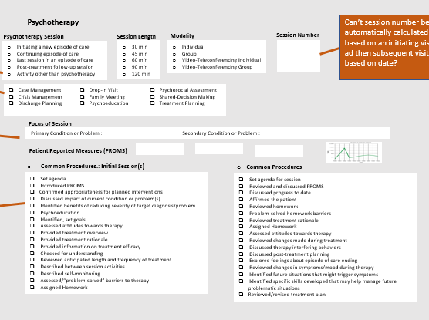
General Strategies
Set agenda for session
Introduced Patient Reported Outcome Measures
Discussed impact of current condition or problem(s)
Confirmed appropriateness for planned interventions
Psychoeducation
Checked for understanding
Assigned Homework

Orientation to Therapy
Provided information on treatment overview, rationale, efficacy
Reviewed anticipated length and frequency of intervention
Described between session activities/self-monitoring

Motivational Enhancement
Identified benefits of reducing severity of target diagnosis/problem
Identified, set goals
Assessed attitudes towards treatment
Assessed/“problem-solved” barriers to therapy

